6. SAP IPE
 |  |  |  |  |  |  |  |  | Click here to return to Summary tab
 | Purpose | To summarize testing performed on IPE used in the Substantive Analytical Procedures testing within this working paper.

 |  |  |  |  |  |  | Test of Details of a Report (as applicable)
 |  |  | Test of Completeness (or specific attributes) |  | Test of Accuracy (or specific attributes) | Describe Nature of Procedures and, if Applicable, Extent | Report Parameters | Report Logic |  | Source Data
 | E.g., Headcount report, which includes a listing of all employees, and includes employment start and end dates, annual salaries, dates of salary increases, etc., which is obtained from Human Resources or an equivalent administrative department. |  | The completeness of this report is addressed through tracing individual employees obtained from a reciprocal population to the report to verify if they were properly included/excluded. |  | The accuracy of this report is addressed through selecting employees from the headcount report and obtaining the respective payslip to verify the employee was employed during the period of the report. |  | Directly test the appropriateness of user-entered parameters or thresholds used to generate report (e.g., by observing entity personnel input the user-entered parameters, by reviewing the user-entered parameters depicted on the report or by comparing the IPE to relevant information in the system). | Test the mathematical accuracy of the IPE and verify report logic on a sample basis (including formulas for extracting the relevant source data, creating the report and executing computations within the report). |  | ACCURACY: Directly test accuracy of the source data by selecting a sample of items from the report and agree back to appropriate source documentation (or relevant information in the system if audited). COMPLETENESS: Directly test completeness of the source data by selecting a sample from the source documentation (or from a system if audited) and agree back to the relevant information on the report. Reconcile report total to source data totals as applicable.

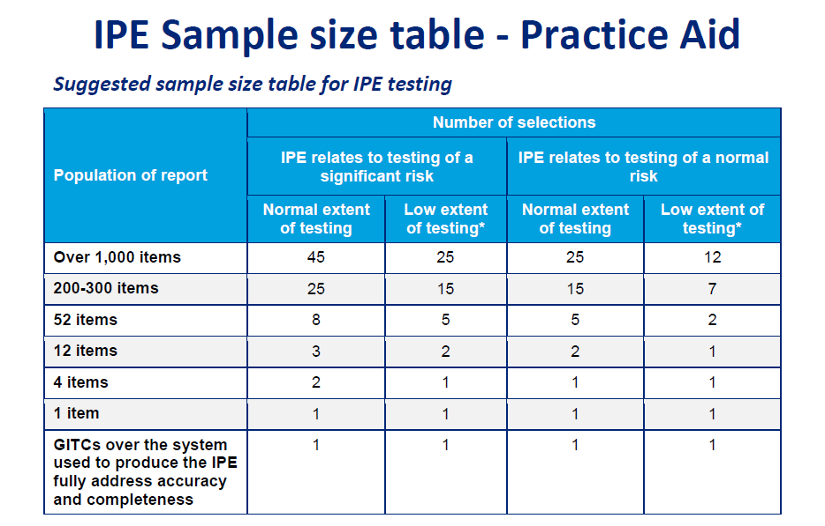

Sl.# | Name | Independence source type |  | Trace to Global Head Count Report |  | Correctly included or excluded
 |  | Email

1
2
3
4
5
6
7

7. Appendix for Expectation
Call-Out Comment: The "Appendix for Expectation" tab can be used to perform complex calculations, the results of which are then used as inputs into the expectation tabs.
The "Appendix for Expectation" tab can be duplicated as needed depending on the number of calculations and categorizations for testing identified by the engagement team.
For each calculation, the relevant IPE is evaluated on the "IPE" tab and the calculated value is referenced to the appropriate testing tab (e.g., Disaggregated Part 1 — Step 1 — Develop an Expectation — Inputs into the expectation column).
 |  |  |  |  |  | Click here to return to Summary tab
Company | Cosmopolitan Industries (Pvt.) Limited
Year-End | 6/30/2021

 | Purpose | To perform calculations to generate inputs that will be built into the expectations used within this working paper.

Call-Out Comment:
This is an example provided for testing payroll expense for which prior-year payroll expense is used as our base expectation with adjustments included for increases in compensation (measured as a percentage increase from prior year) and change in headcount (measured as a monthly average change in headcount year over year) to develop an expectation for current-year payroll expense. This relationship will often provide a sufficiently precise expectation, absent other factors that may impact payroll expense. If this relationship does not provide a sufficiently precise expectation, consider adding or removing adjustment factors and perform IPE testing as necessary. By inputting the factors in the table, the expectation will be automatically calculated as follows.
Explanation of the Named Items:
- Inflation/Pay Increase in Which Month? (PY/CY) & Percentage Inflation/Pay Increase (PY/CY)
Populate the % of pay increase and specify the corresponding month in which the pay increase was effective.
- Average Increase (in %) in Salary per Year
In situations where there is no standard increase applicable to all the employees in the year, teams to consider using an average increase (composite of all employees) for the whole entity, or an inflationary measure or other adjustment factor that would provide a sufficiently reliable expectation.
- Variable Compensation (e.g., Bonus and Commission) (PY/CY)
As an example, variable compensations were included because those can vary over time. In this cell, teams are encouraged to include the amount of variable compensation (e.g., bonus, commissions).
Developing Inputs to Expectation
The following adjustment factors are used to develop an expectation for the balance of the disaggregated part subject to testing.
 | Input salary increase: |  |  | Reference to testing of adjustment factor | IPE
 | Average increase (in %) in salary per year (if applicable) |  |  | Reference to supporting documentation
 | <or>
 | Inflation/pay increase in which month? (prior year) (if applicable) |  |  | Reference to supporting documentation
 | Percentage inflation/pay increase (prior year) |  |  | Reference to supporting documentation

 | Inflation/pay increase in which month? (current year) |  |  | Reference to supporting documentation
 | Percentage inflation/pay increase (current year) |  |  | Reference to supporting documentation
 | If necessary to develop a sufficiently precise expectation:
 | Variable compensation (e.g., bonus and commission) (prior year) (if applicable) |  |  | Reference to supporting documentation
Call-Out Comment: The columns G-J are automatically calculated based on the information input in row 20 to 29 and the headcount information captured in this table. These calculations are the basis for the expectations for each disaggregated part and factor in expected increases or decreases related to headcount and pay increases.
 | Variable compensation (e.g., bonus and commission) (current year) (if applicable) |  |  | Reference to supporting documentation

 | Headcount per Month | MM/DD/20X1 | MM/DD/20X0 | IPE | Headcount Difference in % | Pay Increase Adjustment | Pay Increase Adjustment | Expectation
 |  |  |  |  |  | MM/DD/20X1 | MM/DD/20X0 | Difference in %
 |  |  |  |  | [calculated] | [calculated] | [calculated] | [calculated]
 |  | Reference to supporting documentation | Reference to supporting documentation | Reference to IPE documentation
 | January |  |  |  | 100% | 100 | 100 | 100%
 | February |  |  |  | 100% | 100 | 100 | 100%
 | March |  |  |  | 100% | 100 | 100 | 100%
 | April |  |  |  | 100% | 100 | 100 | 100%
 | May |  |  |  | 100% | 100 | 100 | 100%
 | June |  |  |  | 100% | 100 | 100 | 100%
 | July |  |  |  | 100% | 100 | 100 | 100%
 | August |  |  |  | 100% | 100 | 100 | 100%
 | September |  |  |  | 100% | 100 | 100 | 100%
 | October |  |  |  | 100% | 100 | 100 | 100%
 | November |  |  |  | 100% | 100 | 100 | 100%
 | December |  |  |  | 100% | 100 | 100 | 100%
 | Average | - | - |  | 100% | 100 | 100 | 100%

